Sheet1
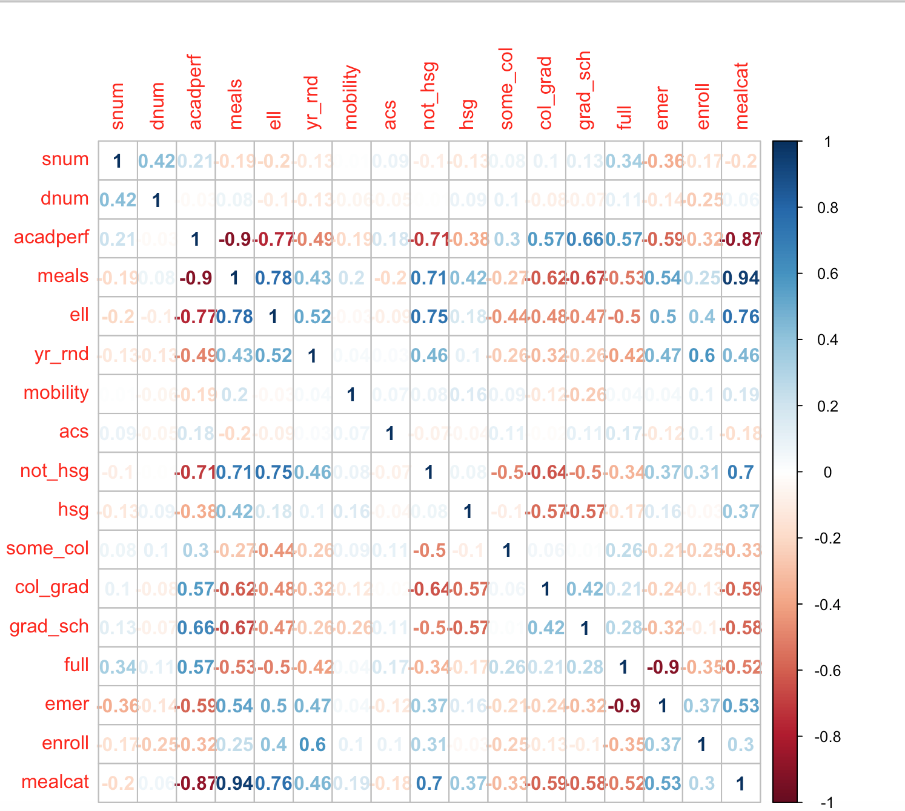
 | snum | dnum | acadperf | meals | ell | yr_rnd | mobility | acs | not_hsg | hsg | some_col | col_grad | grad_sch | full | emer | enroll | mealcat
snum | NA | 0.00 | 0.00 | 0.00 | 0.00 | 0.01 | 0.87 | 0.09 | 0.06 | 0.01 | 0.13 | 0.06 | 0.01 | 0.00 | 0.00 | 0.00 | 0.00
dnum | 0.42 | NA | 0.56 | 0.14 | 0.04 | 0.01 | 0.27 | 0.33 | 0.85 | 0.10 | 0.04 | 0.10 | 0.16 | 0.04 | 0.01 | 0.00 | 0.22
acadperf | 0.21 | -0.03 | NA | 0.00 | 0.00 | 0.00 | 0.00 | 0.00 | 0.00 | 0.00 | 0.00 | 0.00 | 0.00 | 0.00 | 0.00 | 0.00 | 0.00
meals | -0.19 | 0.08 | -0.90 | NA | 0.00 | 0.00 | 0.00 | 0.00 | 0.00 | 0.00 | 0.00 | 0.00 | 0.00 | 0.00 | 0.00 | 0.00 | 0.00
ell | -0.20 | -0.10 | -0.77 | 0.78 | NA | 0.00 | 0.54 | 0.10 | 0.00 | 0.00 | 0.00 | 0.00 | 0.00 | 0.00 | 0.00 | 0.00 | 0.00
yr_rnd | -0.13 | -0.13 | -0.49 | 0.43 | 0.52 | NA | 0.48 | 0.63 | 0.00 | 0.05 | 0.00 | 0.00 | 0.00 | 0.00 | 0.00 | 0.00 | 0.00
mobility | 0.01 | -0.06 | -0.19 | 0.20 | -0.03 | 0.04 | NA | 0.20 | 0.10 | 0.00 | 0.10 | 0.02 | 0.00 | 0.40 | 0.43 | 0.05 | 0.00
acs | 0.09 | -0.05 | 0.18 | -0.20 | -0.09 | 0.03 | 0.07 | NA | 0.15 | 0.40 | 0.04 | 0.75 | 0.04 | 0.00 | 0.02 | 0.06 | 0.00
not_hsg | -0.10 | -0.01 | -0.71 | 0.71 | 0.75 | 0.46 | 0.08 | -0.07 | NA | 0.12 | 0.00 | 0.00 | 0.00 | 0.00 | 0.00 | 0.00 | 0.00
hsg | -0.13 | 0.09 | -0.38 | 0.42 | 0.18 | 0.10 | 0.16 | -0.04 | 0.08 | NA | 0.06 | 0.00 | 0.00 | 0.00 | 0.00 | 0.54 | 0.00
some_col | 0.08 | 0.10 | 0.30 | -0.27 | -0.44 | -0.26 | 0.09 | 0.11 | -0.50 | -0.10 | NA | 0.26 | 0.83 | 0.00 | 0.00 | 0.00 | 0.00
col_grad | 0.10 | -0.08 | 0.57 | -0.62 | -0.48 | -0.32 | -0.12 | -0.02 | -0.64 | -0.57 | 0.06 | NA | 0.00 | 0.00 | 0.00 | 0.01 | 0.00
grad_sch | 0.13 | -0.07 | 0.66 | -0.67 | -0.47 | -0.26 | -0.26 | 0.11 | -0.50 | -0.57 | 0.01 | 0.42 | NA | 0.00 | 0.00 | 0.05 | 0.00
full | 0.34 | 0.11 | 0.57 | -0.53 | -0.50 | -0.42 | 0.04 | 0.17 | -0.34 | -0.17 | 0.26 | 0.21 | 0.28 | NA | 0.00 | 0.00 | 0.00
emer | -0.36 | -0.14 | -0.59 | 0.54 | 0.50 | 0.47 | 0.04 | -0.12 | 0.37 | 0.16 | -0.21 | -0.24 | -0.32 | -0.90 | NA | 0.00 | 0.00
enroll | -0.17 | -0.25 | -0.32 | 0.25 | 0.40 | 0.60 | 0.10 | 0.10 | 0.31 | -0.03 | -0.25 | -0.13 | -0.10 | -0.35 | 0.37 | NA | 0.00
mealcat | -0.20 | 0.06 | -0.87 | 0.94 | 0.76 | 0.46 | 0.19 | -0.18 | 0.70 | 0.37 | -0.33 | -0.59 | -0.58 | -0.52 | 0.53 | 0.30 | NA

